Sheet1
Table 1 Molecular docking between ligand and receptor from an LRI predicted by LRI-SEnSCA on Dataset 1
 | Ligand-Receptor | Gene Names | PDB ID | Molecular docking | Interface area | ∆iG | NHB | NSB | Hydrogen bonds | Salt bridges
1 | ENSP00000474412 | CCL5 | 5COY | 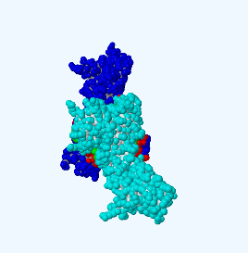 | 1476.4 | -17.3 | 20 | 3 | 3.07 | 3.24
 | ENSP00000290200 | IL10RB | 3LQM
2 | ENSP00000291527 | TFF1 | 6V1D | 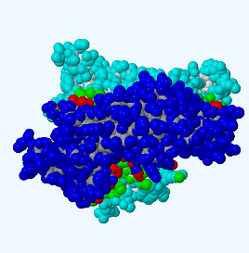 | 2360.1 | -31.9 | 21 | 7 | 2.41 | 3.85
 | ENSP00000372295 | GJB2 | 5ER7
3 | ENSP00000266085 | TIMP3 | 3CKI | 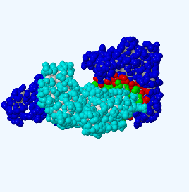 | 1477.6 | -18.8 | 24 | 11 | 3.03 | 3.53
 | ENSP00000009530 | CD74 | 8DBB
4 | ENSP00000344547 | PTMA | 2MNQ | 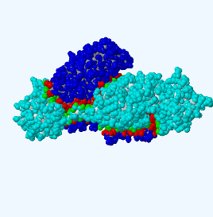 | 3289.3 | -23.1 | 36 | 23 | 3.8 | 3.93
 | ENSP00000378845 | LAT | 8BJH
5 | ENSP00000295400 | TGFA | 3E50 | 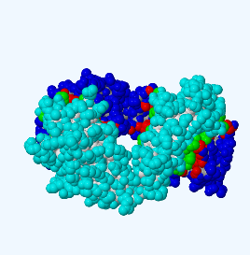 | 1845.6 | -27.3 | 23 | 3 | 2.89 | 3.64
 | ENSP00000431445 | CD3G | 1SY6
6 | ENSP00000357727 | S100A9 | 7QUV | 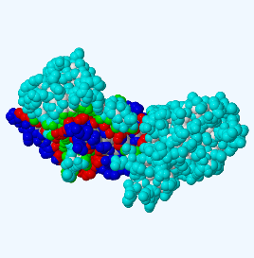 | 1998.4 | -34.1 | 18 | 4 | 2.91 | 3.56
 | ENSP00000309124 | OLR1 | 7XMP
7 | ENSP00000362716 | GHRH | 2XDG | 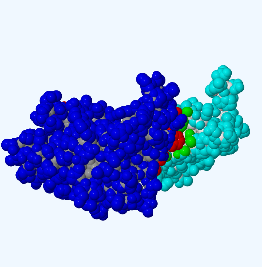 | 948.8 | -19.5 | 12 | 4 | 2.92 | 3.47
 | ENSP00000303939 | CTLA4 | 7CIO
8 | ENSP00000357722 | S100A8 | 7QUV | 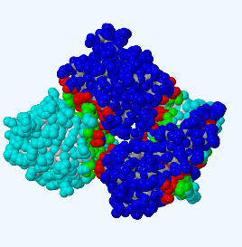 | 2821.8 | -34.6 | 24 | 5 | 2.91 | 3.13
 | ENSP00000391490 | AGR2 | 3PH9
9 | ENSP00000384364 | NPY | 7RT9 | 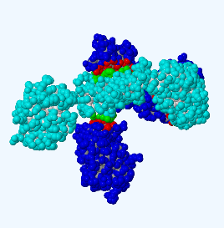 | 1660.9 | -25 | 9 | 1 | 2.96 | 3.05
 | ENSP00000303942 | GP9 | 3REZ
10 | ENSP00000259631 | CCL27 | 2KUM | 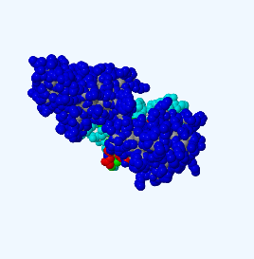 | 1226.5 | -11.7 | 13 | 6 | 3.34 | 3.09
 | ENSP00000342156 | NCR3 | 3NOI
11 | ENSP00000215754 | MIF | 7XTX | 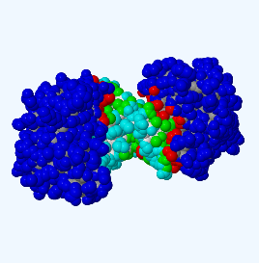 | 1913.9 | -19 | 27 | 1 | 3.03 | 3.57
 | ENSP00000376896 | IL36RN | 4P0L
12 | ENSP00000361662 | GUCA2B | 1UYA | 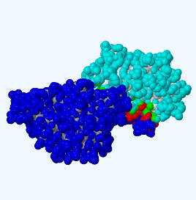 | 949.5 | -6.5 | 14 | 3 | 3.8 | 2.99
 | ENSP00000332963 | IZUMO1R | 5F4Q
13 | ENSP00000302724 | INSL5 | 7YK7 | 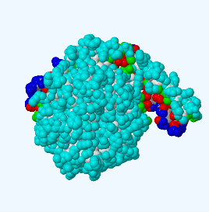 | 2192.1 | -37.9 | 17 | 4 | 2.81 | 3.3
 | ENSP00000342156 | NCR3 | 3NOI
14 | ENSP00000416606 | FSHB | 8I2G | 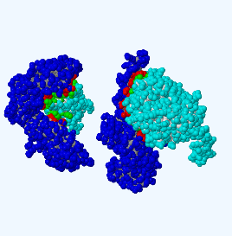 | 2699 | -20.7 | 35 | 17 | 3.44 | 3.99
 | ENSP00000266557 | CD27 | 7JYV
15 | ENSP00000227667 | APOC3 | 2JQ3 | 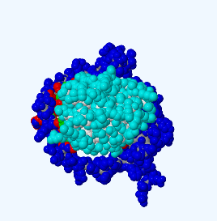 | 1130.6 | -11.2 | 10 | 0 | 3.41 | 0
 | ENSP00000229402 | KLRB1 | 5MGR
16 | ENSP00000296695 | SPINK1 | 7QE9 | 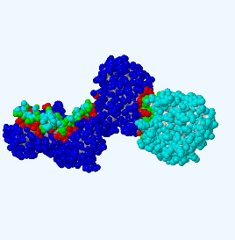 | 1896.8 | -15.8 | 36 | 8 | 2.72 | 2.72
 | ENSP00000354782 | CD247 | 2OQ1
17 | ENSP00000465356 | APOC1 | 6DVU | 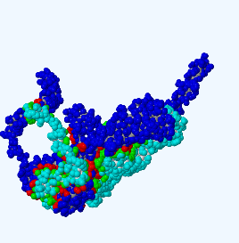 | 5899.3 | -92.3 | 49 | 11 | 2.77 | 3.23
 | ENSP00000319476 | ICOS | 8D1E
18 | ENSP00000482232 | CGA | 7UTZ | 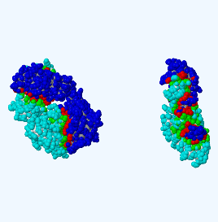 | 3878.9 | -48.1 | 43 | 6 | 2.97 | 2.34
 | ENSP00000053243 | TNFRSF17 | 4ZFO
19 | ENSP00000358525 | NGF | 5JFW | 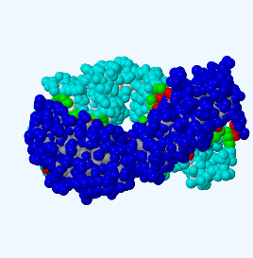 | 1838.7 | -26.6 | 23 | 3 | 2.89 | 3.64
 | ENSP00000431445 | CD3G | 1SY6
20 | ENSP00000306900 | PRND | 1LG4 | 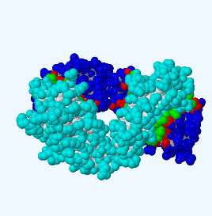 | 1825.9 | -26.8 | 23 | 3 | 2.89 | 3.64
 | ENSP00000431445 | CD3G | 1SY6
21 | ENSP00000400533 | CCL24 | 1EIG | 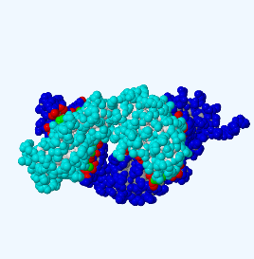 | 1655.3 | -24.1 | 10 | 3 | 2.87 | 3.85
 | ENSP00000053243 | TNFRSF17 | 4ZFO
22 | ENSP00000474412 | CCL5 | 5COY | 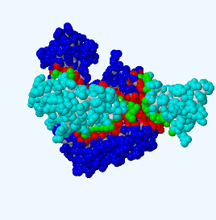 | 2358.2 | -23.8 | 33 | 12 | 2.94 | 3.75
 | ENSP00000266557 | CD27 | 7JYV
23 | ENSP00000366248 | CORT | 7S8L | 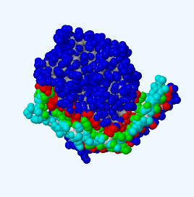 | 1953.6 | -37.4 | 14 | 4 | 2.68 | 2.5
 | ENSP00000339191 | CAV1 | 2VAY
24 | ENSP00000276659 | RSPO2 | 4UFR | 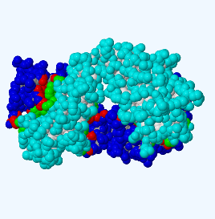 | 1829.1 | -27.2 | 23 | 3 | 2.89 | 3.64
 | ENSP00000431445 | CD3G | 1SY6
25 | ENSP00000400533 | CCL24 | 1EIG | 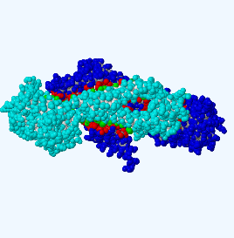 | 2302.4 | -50.3 | 13 | 0 | 2.83 | 0
 | ENSP00000271324 | CD53 | 6WVG
26 | ENSP00000344547 | PTMA | 2MNQ | 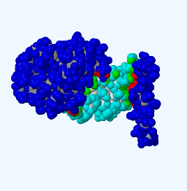 | 713.8 | -3.5 | 11 | 6 | 3.14 | 3.61
 | ENSP00000303942 | GP9 | 3REZ
27 | ENSP00000378118 | CCL8 | 7S5A | 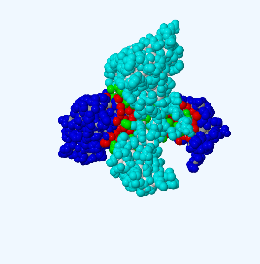 | 1848.3 | -20.8 | 28 | 4 | 2.94 | 2.92
 | ENSP00000342156 | NCR3 | 3NOI
28 | ENSP00000261267 | LYZ | 5LSH | 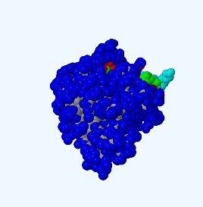 | 1317.7 | -22.9 | 6 | 8 | 2.53 | 2.53
 | ENSP00000339191 | CAV1 | 2VAY
29 | ENSP00000226730 | IL2 | 7M2G | 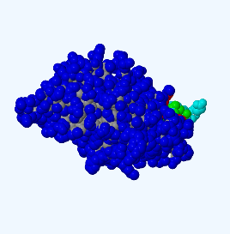 | 1227.5 | -21.1 | 5 | 6 | 3.35 | 3.51
 | ENSP00000339191 | CAV1 | 2VAY
30 | ENSP00000259631 | CCL27 | 2KUM | 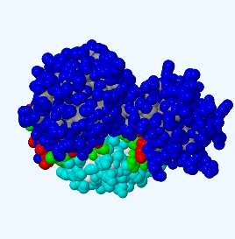 | 1229.6 | -16.1 | 13 | 3 | 3.31 | 3.61
 | ENSP00000240618 | KLRK1 | 8EA7

